3-Create stored procedure
Generated view - output |  | How to use the generated script
Copy this script to the SQL server - all yellow lines. You may delete empty lines afterwards.

USE "PLCSQL" |  | 1. | Start SQL Server Management Studio
GO
IF EXISTS (SELECT ROUTINE_NAME FROM INFORMATION_SCHEMA.ROUTINES
WHERE ROUTINE_NAME = 'sp_SaveConventional')
DROP PROCEDURE "sp_SaveConventional"
GO |  | 2. | Connect to your database, and make sure it is selected in the Object Explorer. Then click on New Query
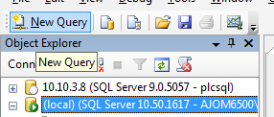
/* ====================================
SQL Stored Procedure for PLCSQL Link |  |  | Example value
Inserts data in a conventional SQL table with values from a PLC. Script is called from the PLC. |  |  | Pilsner
Data is inserted into the SQL table: LogTableConventional |  |  | Mixer
==================================== */
CREATE PROCEDURE
"sp_SaveConventional"
@tstring NVARCHAR(MAX)
AS
BEGIN | 3) | 3. | Copy the yellow fields from this Excel sheet into the Query Window, and press Execute (F5)
SET NOCOUNT ON
DECLARE @ParamID NVARCHAR(MAX)
DECLARE @ParamValue NVARCHAR(MAX)
DECLARE @SaveQuery NVARCHAR(MAX)
DECLARE @Col NVARCHAR(MAX)=''
DECLARE @Val NVARCHAR(MAX)=''
DECLARE @SetID INT=1
DECLARE @SetCount INT=1

WHILE LEN( @tstring ) > 0
BEGIN
-- Find ParamID in first part of Where Pair
SELECT @ParamID = ExtractedValue, @tstring = RestString FROM dbo.ufn_StringEater(@tstring)

-- Find ParamValue to log
SELECT @ParamValue = ExtractedValue, @tstring = RestString FROM dbo.ufn_StringEater(@tstring)

IF @ParamID=1 BEGIN SET @Col='[PowerWireMin]' SET @Val=CONCAT(CHAR(39),@ParamValue,CHAR(39)) END
IF @ParamID=2 BEGIN SET @Col=CONCAT(@Col,',[PowerWireMax]') SET @Val=CONCAT(@Val,',',CHAR(39),@ParamValue,CHAR(39)) END
IF @ParamID=3 BEGIN SET @Col=CONCAT(@Col,',[PowerWireMeas]') SET @Val=CONCAT(@Val,',',CHAR(39),@ParamValue,CHAR(39)) END
IF @ParamID=10002 BEGIN SET @Col=CONCAT(@Col,',[BalanceWireMin]') SET @Val=CONCAT(@Val,',',CHAR(39),@ParamValue,CHAR(39)) END
IF @ParamID=10003 BEGIN SET @Col=CONCAT(@Col,',[BalanceWireMax]') SET @Val=CONCAT(@Val,',',CHAR(39),@ParamValue,CHAR(39)) END
IF @ParamID=20001 BEGIN SET @Col=CONCAT(@Col,',[BalanceWireMeas]') SET @Val=CONCAT(@Val,',',CHAR(39),@ParamValue,CHAR(39)) END
IF @ParamID=20002 BEGIN SET @Col=CONCAT(@Col,',[MeasResult]') SET @Val=CONCAT(@Val,',',CHAR(39),@ParamValue,CHAR(39)) END
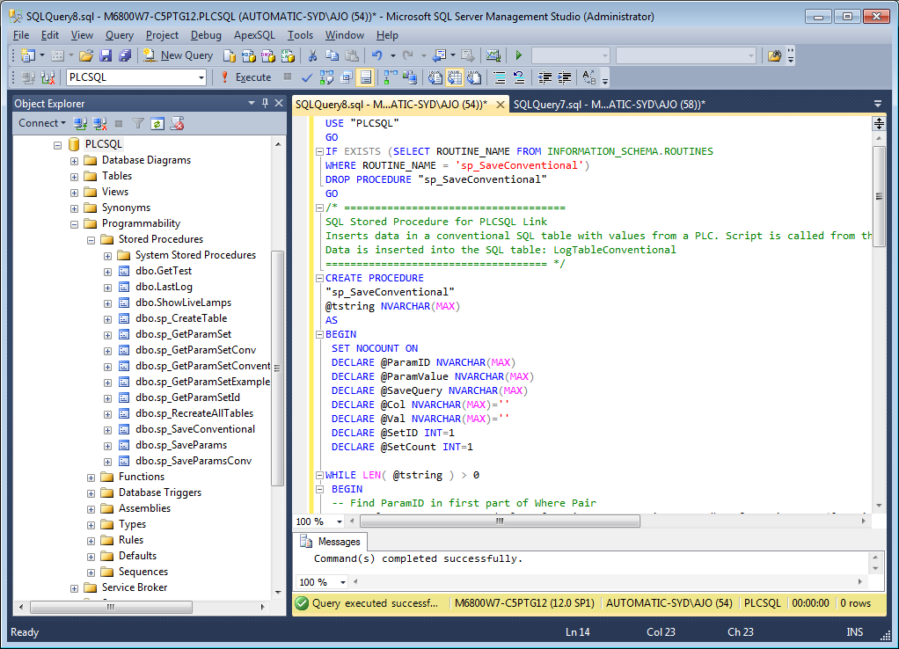
IF @ParamID=30010 BEGIN SET @Col=CONCAT(@Col,',[PCBA]') SET @Val=CONCAT(@Val,',',CHAR(39),@ParamValue,CHAR(39)) END
IF @ParamID=30011 BEGIN SET @Col=CONCAT(@Col,',[BAT]') SET @Val=CONCAT(@Val,',',CHAR(39),@ParamValue,CHAR(39)) END

-- --------------------------------------------------------
END -- End while tstring

SET @SaveQuery=CONCAT('INSERT INTO LogTableConventional (',@Col,') VALUES (',@Val,')')
-- print @SaveQuery -- Do NOT enable under production (Only for manuel testing)
EXEC(@SaveQuery)

-- Output SetID,SetCount and TimeStamp to PLCSQL Link Client
SELECT CAST(dbo.ufn_getsetupvalue('SetID') AS INT) AS ParamID, @SetID AS ParamValue
SELECT CAST(dbo.ufn_getsetupvalue('TimeStamp') AS INT) AS ParamID, CONVERT(VARCHAR(254), GETDATE(), 120) AS ParamValue --Formats DateTime as 2011-10-15 12:00:00
SELECT CAST(dbo.ufn_getsetupvalue('SetCount') AS INT) AS ParamID, CAST(@SetCount AS SMALLINT) AS ParamValue

END -- End Stored procedure

7-PLC Log Values
7)

Use the PLC Query 3 in SQL_Initialize to move data.

And the SQL_Logvalues to move the process data to Sql database
